Title
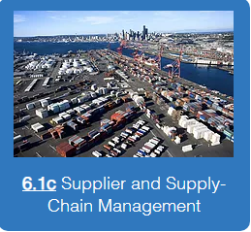

OFT 6.1c Key Supplier Selection Matrix™
Copyright © 2000 to 2019 AfCI LLC All Rights Reserved
OE21 Continuous Improvement Tool (Version 2019)

Warning: This computer program is protected by copyright law in the United States and international treaties including the Berne Convention. Unauthorized reproduction or distribution of this program, or any portion of it, may result in severe civil and criminal penalties, and will be prosecuted to the maximum extent possible under the law. For each instance in which a United States Court finds that infringement was committed willfully, the court in its discretion may increase the award of statutory damages to a sum of not more than $150,000.

Instructions
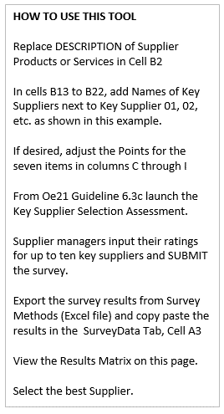
 |  | Oe21 Process Chart for 6.1c
 |  | 6.1c Key Supplier or Partner Selection Matrix
 |  | Approved by: Date:
Value Added: |  | Establishes a process to rate up to 10 key suppliers or partners
Value Added: |  | Helps decide which suppliers or partners are selected
Value Added: |  | Helps create new tasks for input to Operations Excellence Action Plan
Special Notices:
Special Notices: |  |  | Lead | Support
Step | Action | Process Steps (Inputs, Tools & Techniques, Outputs) | Team | Team
0 | Initiate | Go to Oe21.net, Log In then select Oe 6.1c | OFT
1 |  | Create the Master LIST of Key Suppliers or Partners | OFT | OFT
2 |  | In the Key Suppliers/Partners Matrix edit titles of organizations | OFT
3 |  | In Survey Methods, LAUNCH Key Supplier Selection survey | OFT
4 |  | Send SURVEY LINKS to key supplier/partner managers | OFT | OFT
5 |  | Input Ratings and Narrative into SELECTION survey | OFT | OFT
6 |  | Close survey and Export results to Excel | OFT
7 |  | Paste Excel export (Responses only; not questions) into Survey Data Cell A3 | OFT
8 |  | Observe Suppliers Matrix tab in this spreadsheet | OFT | OFT
9 |  | IF approved by LFT, change the Priority Matrix POINTS (change 10 to other #) | OFT | LFT
10 |  | Observe Matrix Scores for each Supplier or Partner | OFT | LFT
11 |  | Observe TOTAL Matrix Score in % (cell J8) | OFT | LFT
12 |  | Observe Narrative Suggestions in SurveyData last column | OFT | LFT
13 |  | Compile candidate Tasks for input to Operations Excellence Action Plan | OFT | LFT
14
15
16
17
18
19
20
21
22
23
24
25
26
27
28
29
30
31
32
33
34
35
36
37
38
39
40
41
42
43
44
45
46
47
48
49
50
 |  |  |  | Totals>

Suppliers Matrix
Rinks: Zamboni ice machine, Janitorial, and Concession Stand workers are contracted with outside suppliers, to keep Rinks ready for customer use, service and events.
 | Supplier Products or Services: | 1 | 2 | 3 | 4 | 5 | 6 | 7
 |  | Technical Capability: | Strategic Fit | Recommendation and References | Quality | Price | Delivery or Availability | Risk
 | To what extent does each Key Supplier meet selection items 1 to 7 ? >>> | Extent of alignment with our organizational needs, program inputs and outputs or product/service requirements | Extent of alignment with our mission, strategic goals and strategy action plans | Extent that organization has been vetted, using recommendations and references from reputable organizations/persons | Extent that organization meets our established quality requirements | Extent that organizations prices (if any) are stable, and as-advertised or quoted | Extent that organization delivery of items or services or availability of resources are are stable, and as-advertised or quoted | Extent that the organization inputs, outputs and organization stability (including management) are low risk and reliable
 | 5 = to a very great extent
 | 4 = to a great extent
 | 3 = to a moderate extent
 | 2 = to a small extent
 | 1 = not at all
 |  | Points | Points | Points | Points | Points | Points | Points | Max
 | Weights of priority matrix may be adjusted with OFT Approval>> | 10 | 10 | 10 | 20 | 20 | 10 | 4 | 420
 |  | 1 to 5 | 1 to 5 | 1 to 5 | 1 to 5 | 1 to 5 | 1 to 5 | 1 to 5 | Average
 | Key Supplier Organization Names | Rating | Rating | Rating | Rating | Rating | Rating | Rating | 314
1 | Key Supplier 1 - Alpha Company | 5.0 | 5.0 | 4.0 | 4.0 | 4.0 | 4.0 | 3.0 | 352
2 | Key Supplier 2 - Bravo Company | 4.0 | 3.0 | 3.0 | 3.0 | 3.0 | 3.0 | 3.0 | 262
3 | Key Supplier 3 - Charlie Company | 3.0 | 3.0 | 3.0 | 3.0 | 3.0 | 3.0 | 3.0 | 252
4 | Key Supplier 4 - Delta Company | 2.0 | 4.0 | 3.0 | 4.0 | 4.0 | 4.0 | 3.0 | 302
5 | Key Supplier 5 - Echo Company | 5.0 | 5.0 | 5.0 | 5.0 | 4.0 | 5.0 | 5.0 | 400
6 |  | 0.0 | 0.0 | 0.0 | 0.0 | 0.0 | 0.0 | 0.0
7 |  | 0.0 | 0.0 | 0.0 | 0.0 | 0.0 | 0.0 | 0.0
8 |  | 0.0 | 0.0 | 0.0 | 0.0 | 0.0 | 0.0 | 0.0
9 |  | 0.0 | 0.0 | 0.0 | 0.0 | 0.0 | 0.0 | 0.0
10 |  | 0.0 | 0.0 | 0.0 | 0.0 | 0.0 | 0.0 | 0.0

 | 3

